Configurations
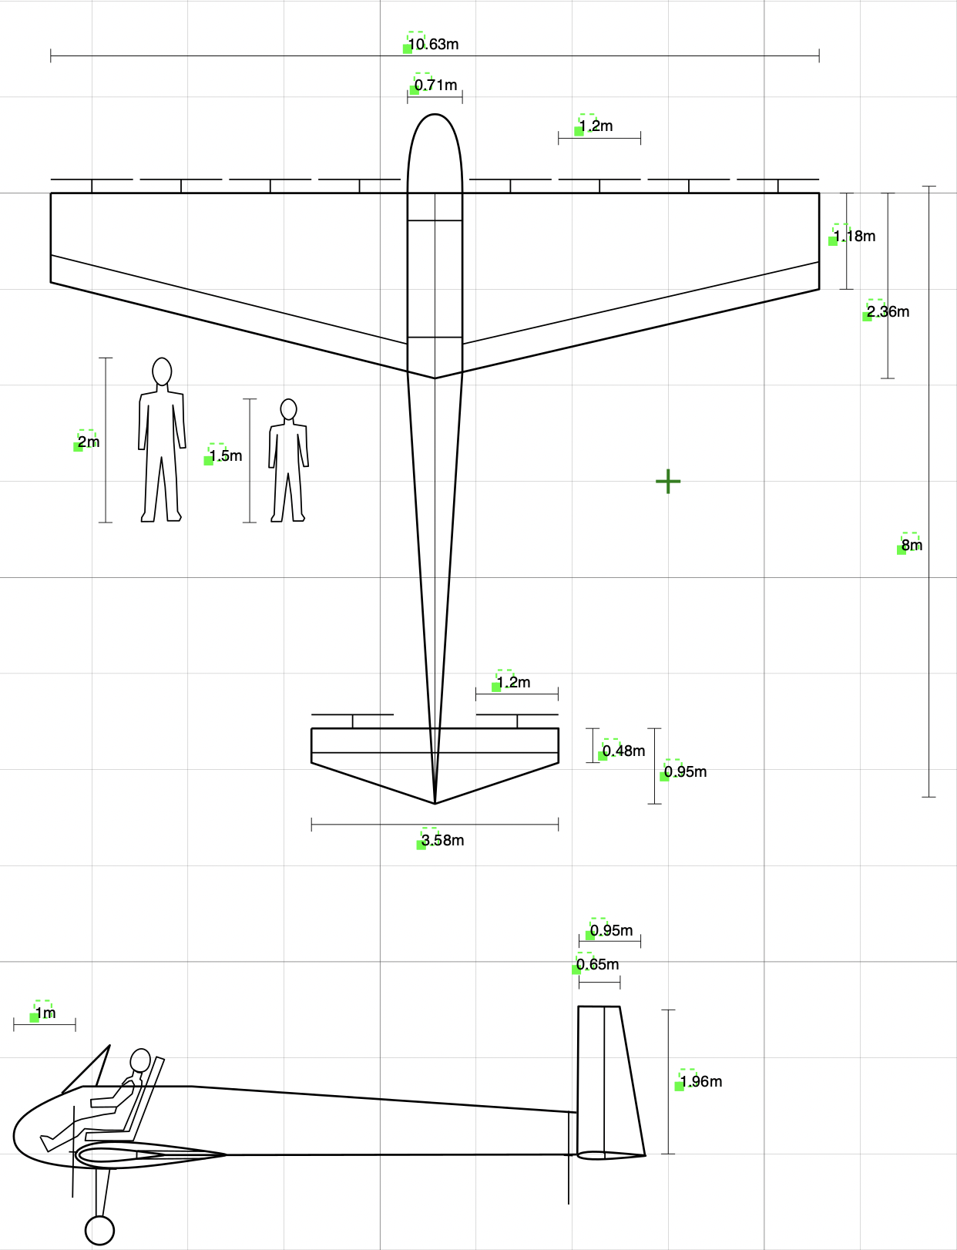
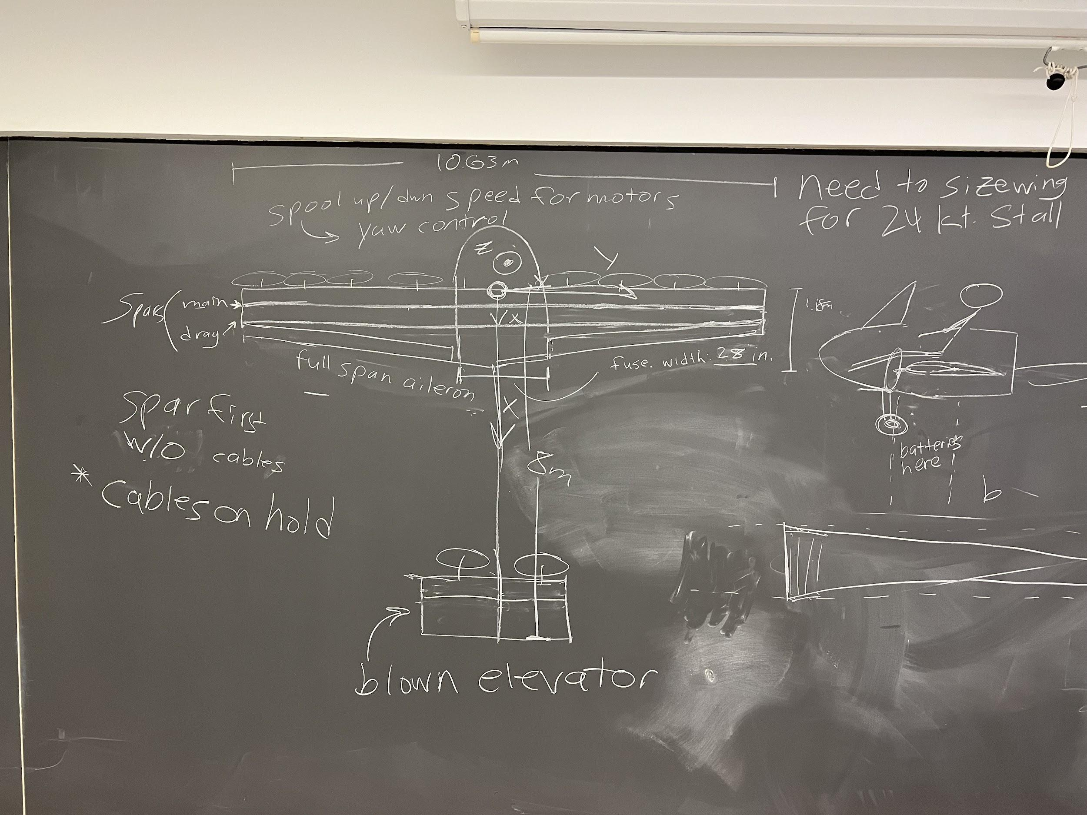
Wing | value | units
Area | 18.82 | m^2
Aspect Ratio | 6 | -
Span | 10.63 | m
Taper Ratio | 0.5 | -
Root Chord | 2.36 | m
Tip Chord | 1.18 | m
Airfoil | NACA 0015 | -
Aileron Length | 4.9595 | m

Horiz. Tail
Area | 2.56 | m^2
Aspect Ratio | 5 | -
Span | 3.578 | m
Average Chord | 0.716 | m
Taper Ratio | 0.5 | -
Root Chord | 0.95 | m
Tip Chord | 0.48 | m
Airfoil | NACA 0012 | -

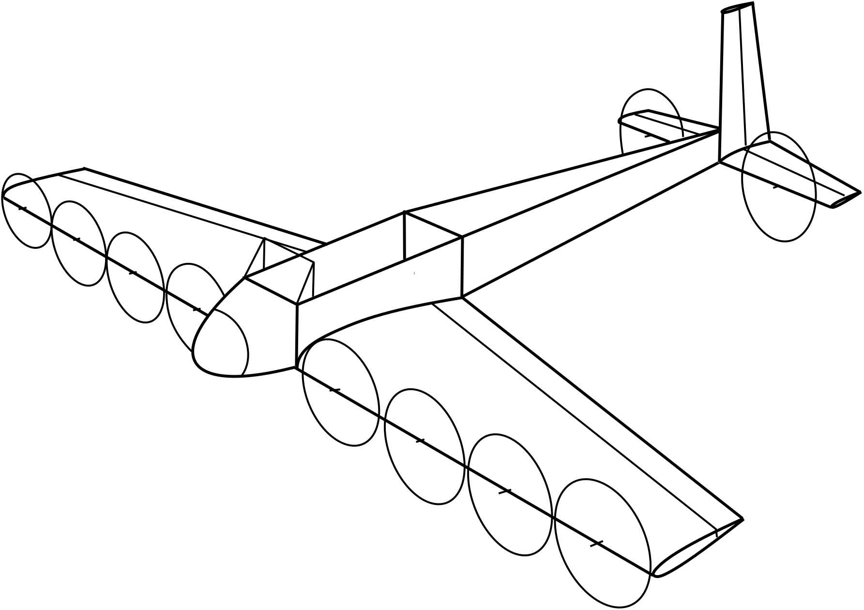
Vert Tail
Area | 1.54 | m^2
Aspect Ratio | 2.5 | -
Span | 1.962 | m
Average Chord | 0.785 | m
Taper Ratio | 0.65 | -
Root Chord | 0.95 | m
Tip Chord | 0.62 | m
Airfoil | NACA 0012 | -

Fuselage
Length origin to tail | 8 | m
Cockpit Width | 0.711 | m

Wing Motors
Number on Wing | 8 | -
Prop Radius | 0.61875 | m
Prop Diameter | 1.2375 | m

Tail Motors
Number on Tail | 2 | -
Prop Diameter | ? | m

Batteries
Mass | 37.47185675 | kg
Motors | 6.983670373

Structures
Torque
radius
load
Bending Stress - Spar D tube
desired safety margin | 1.00
allowable | 3500000000.00 | **NEED THICKNESS INFO
factor of safety | 1.50
Get Applied Stress | 1166666667.00
# of g's | 6.00
Load | 6854.49
half span | 5.31319113200
dist to neutral axis "c" | 0.08855319
Estimated spar thickness | 0.002 | 2 mm thick
moment of inertia for both /d | 0.00003136667 | spar thickness x c^2/d)*2
Moment | 18209.61412 | divided by 2 distributed load
Get "d" len of spar caps | 4.40646E-02 | m

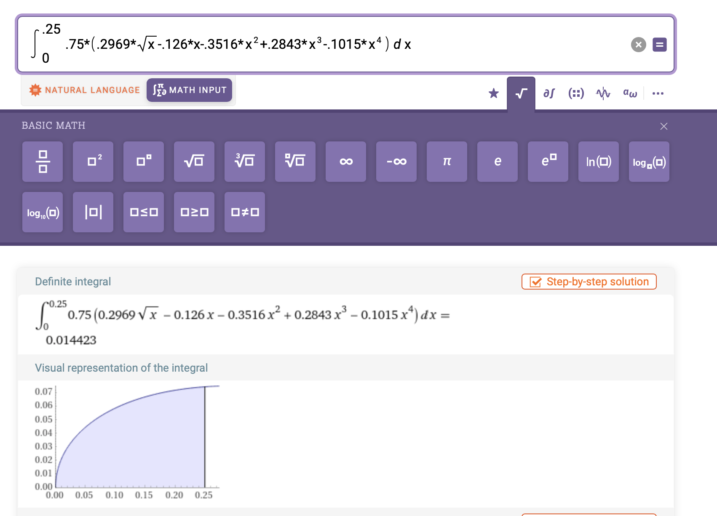
Torsional Bending Stress - Spar D tube
# of g's | 6.00 | m/s^2
Load | 13708.98 | T=W @90 AoA |  |  |  |  | ** unsure about chord scaling factor? answer is about 1/3 of total enclosed area
moment arm | 0.29517729 | m 25% chord
Torque | 4046.58 | Nm
Area Enclosed | 0.03 | m^2
thickness | 0.001 | m thickness
Torsional Stress | 70141109.94 | Pa

Torsional Bending Stress - HTail
# of g's | 6.00 | m/s^2
Load |  | N
Largest radius of the airfoil | 0.10000000 | m ( assuming its a rectangle)
Torque |  | Nm
Area Enclosed |  | m^2
thickness | 0.001 | m thickness
Torsional Stress |  | Pa
Total Stress |  | bending + torsion
Safety Margin

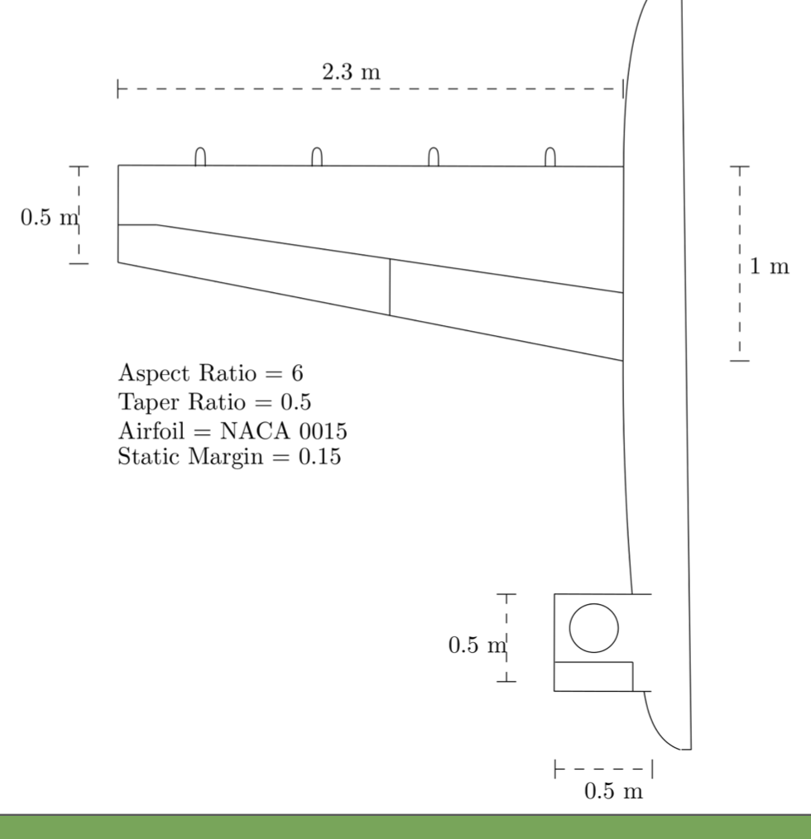
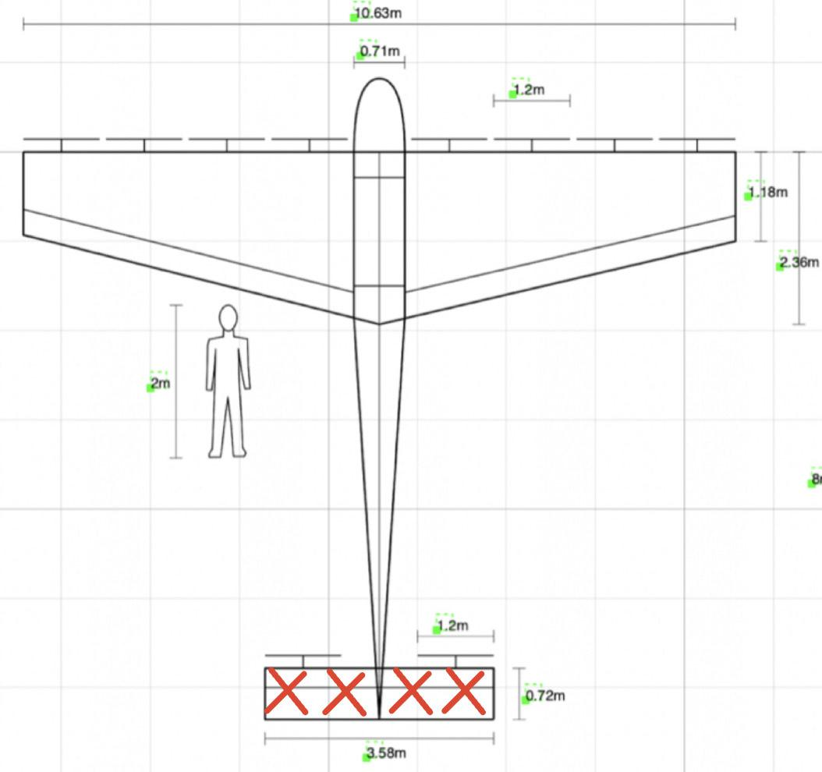
Bending Stress - Case 1 |  |  |  |  |  |  |  |  | Bending Stress HTail - Case 1 90 deg angle of attack at 55 knots (assuming spar is on center of pressure)
# of g's | 6.00 |  |  |  |  |  |  |  | Speed | 28.29 | m/s
Thrust Force "F" | 6854.49 | N (weight in kg*9.8) x 6g's /2 |  |  |  |  |  |  | Force Load | 1257.24 | N (assuming Cl of 1 for Lift of wing generated)
Half Span "b/2" | 5.31 | m |  |  |  |  |  |  | Half Span "b/2" | 1.79 | m
Total chord length "c" | 0.50 | m |  |  |  |  |  |  | Average chord length "c" | 0.72 | m (from span/AR)
Height of wing "h" | 0.08 | m (thickness to chord ratio used to find) |  |  |  |  |  |  | Height of wing "H" | 0.80 | m ***
Dist to neutral axis | 0.04 |  |  |  |  |  |  |  | Spar Cap width "h" | 0.005 | m******
Moment "M" | 18208.96 | N*m (distributed load) |  |  |  |  |  |  | Moment of Inertia of Beam | 0.0001396607686 | m^4 (spar caps are not through the full chord)
Area Mom. Inertia "I" outer | 0.00001757813 | m^4 |  |  |  |  |  |  | Moment (distributed load) | 1125.38 | N*m (https://mechanicalc.com/reference/beam-analysis)
Area Mom. Inertia "I" inner | 0.00000665500 | m^4 (thickness of 2mm) |  |  |  |  |  |  | Safety Factor | 1.50
Total Area Mom Inertia | 0.00001092313 | m^4 |  |  |  |  |  |  | Bending Stress | 3223175.37200000000 | Pa
Safety Factor | 1.5 |  |  |  |  |  |  |  | Bending Stress of Carbon Fiber | 6.22E+08 | Pa 2 mm
Bending Stress | 6.25129E+07 | Pa |  |  |  |  |  |  | Safety Margin w/ 1.4 FS | 127.65 | (Allowable/Applied*FS) - 1
Bending stress of Carbon Fiber | 6.22E+08 | Pa 2 mm
Safety Margin w/ 1.4 FS | 5.63 | (Allowable/Applied*FS) - 1
 |  |  |  |  |  |  |  | Hello Professor Hall,
assume TWR = 1
2mm thick base | 0.48
2mm thick height | 0.06
 |  |  |  |  |  |  |  | Best,
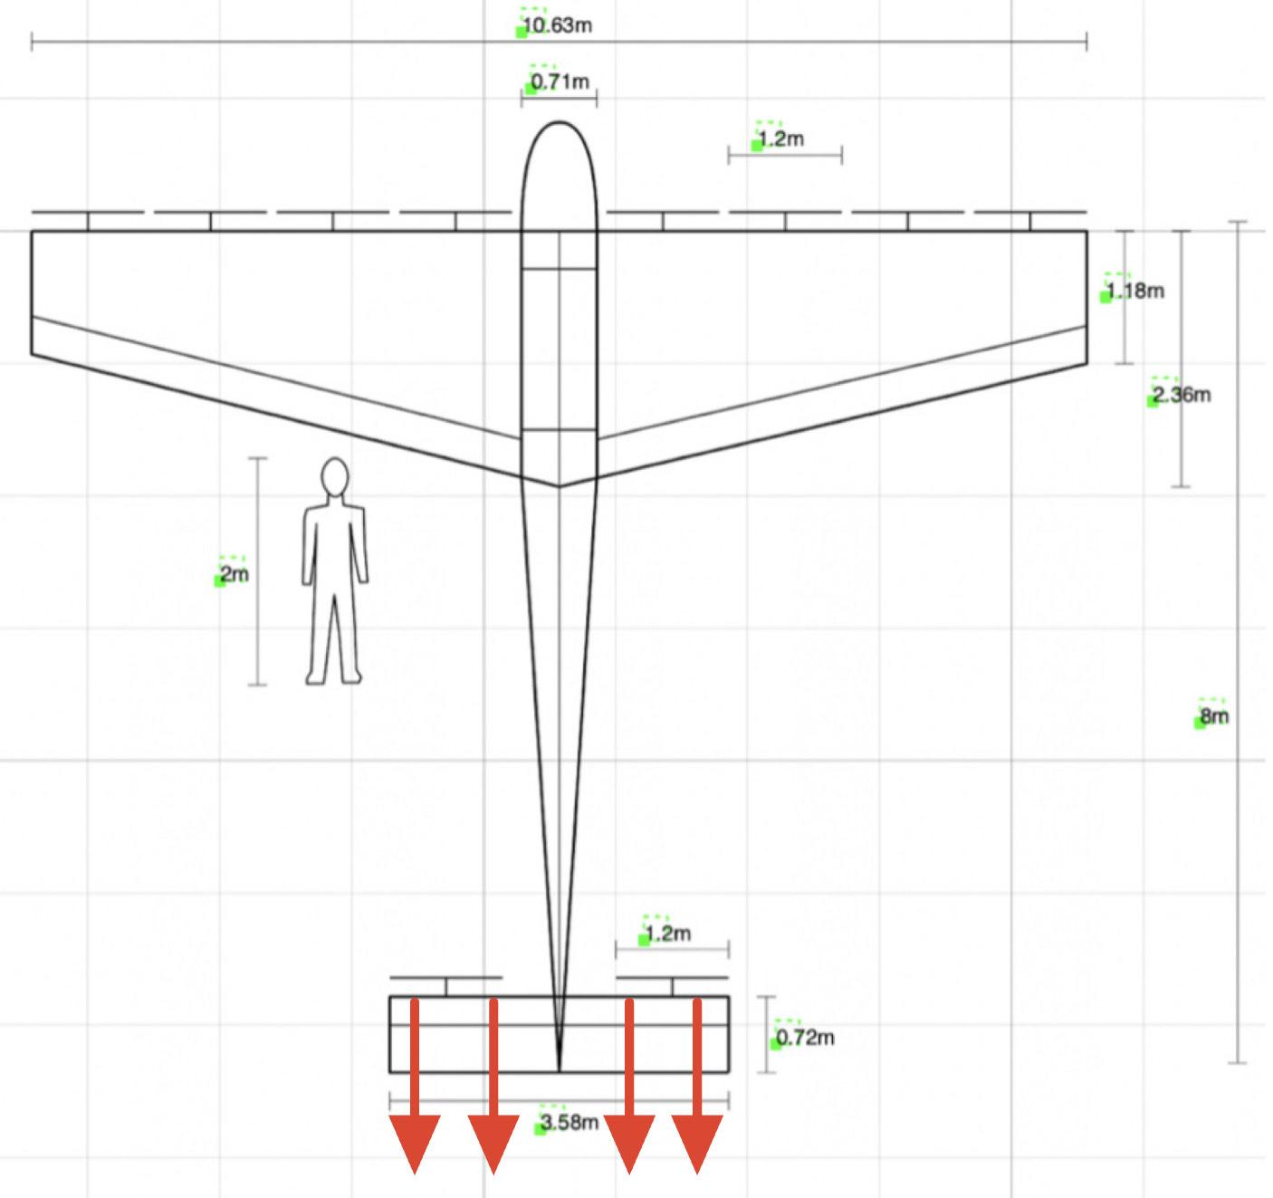
Bending Stress - Case 2 |  |  |  |  |  |  |  |  | Bending Stress HTail - Case 1 90 deg angle of attack at 55 knots (assuming spar is on center of pressure)
# of g's | 6.00 |  |  |  |  |  |  |  | Speed | 28.29 | m/s
Thrust Force "F" | 6854.49 | N (weight in kg*9.8) x 6g's /2 |  |  |  |  |  |  | Force Load | 1000.00 | N (don't know what load would be)
Half Span "b/2" | 5.31 | m |  |  |  |  |  |  | Half Span "b/2" | 1.79 | m
Total chord length "c" | 1.18 | m (smallest part) |  |  |  |  |  |  | Average chord length "c" | 0.72 | m (from span/AR)
Height of wing "h" | 0.08 | m (thickness to chord ratio used to find) |  |  |  |  |  |  | Height of wing "H" | 0.80 | m ***
Dist to neutral axis | 0.59 |  |  |  |  |  |  |  | Spar Cap width "h" | 0.005 | m******
Moment "M" | 18208.96 | N*m (distributed load) |  |  |  |  |  |  | Moment of Inertia of Beam | 0.003672067622 | m^4 (spar caps are not through the full chord)
Area Mom. Inertia "I" outer | 0.01026895000 | m^4 |  |  |  |  |  |  | Moment (distributed load) | 895.12 | N*m (https://mechanicalc.com/reference/beam-analysis)
Area Mom. Inertia "I" inner | 0.00715410667 | m^4 (thickness of 2mm) |  |  |  |  |  |  | Safety Factor | 1.50
Total Area Mom Inertia | 0.00311484333 | m^4 |  |  |  |  |  |  | Bending Stress | 97505.59965000000 | Pa
Safety Factor | 1.5 |  |  |  |  |  |  |  | Bending Stress of Carbon Fiber | 6.22E+08 | Pa 2 mm
Bending Stress | 1.72453E+06 | Pa |  |  |  |  |  |  | Safety Margin w/ 1.4 FS | 4251.75 | (Allowable/Applied*FS) - 1
Bending stress of Carbon Fiber | 6.22E+08 | Pa 1 mm
Safety Margin w/ 1.4 FS | 239.45 | (Allowable/Applied*FS) - 1

assume TWR = 1
2mm thick base | 1.16
2mm thick height | 0.06

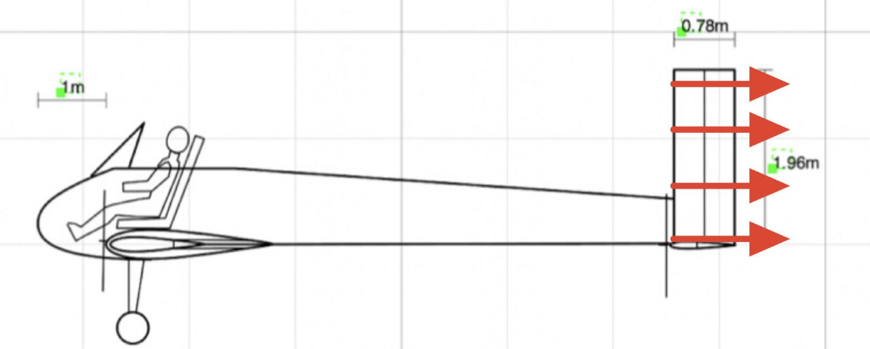
 |  |  |  |  |  |  |  |  | Bending Stress Vtail- Case 1
Weight of Main Wing |  |  |  | Weight of Tail Wing |  |  |  |  | Speed | 28.29 | m/s
Root Chord | 2.36000 | m |  | Horiz. Area | 2.56000 | m^2 |  |  | Force Load | 0.00 | N (assuming Cl of 1 for Lift of wing generated)
Root Circumference | 4.72200 | m |  | Horiz. Ave Chord | 0.71554 | m |  |  | Half Span "b/2" | 0.00 | m
Tip Chord | 1.18000 | m |  | Horiz. Volume | 0.002566144 | m^3 |  |  | Average chord length "c" | #DIV/0! | m (from span/AR)
Tip Circumference | 2.36100 | m |  | Vert. Area | 1.54000 | m^2 |  |  | Height of wing "H" | 0.80 | m ***
Wing Skin Thickness | 0.00100 | m |  | Vert. Ave Chord | 0.78486 | m |  |  | Spar Cap width "h" | 0.005 | m******
Spar Cap Thickness | 0.04406 | m |  | Vert. Volume | 0.00155 | m^3 |  |  | Moment of Inertia of Beam | #DIV/0! | m^4 (spar caps are not through the full chord)
Spar Thickness | 0.00100 | m |  | CF Density | 1550.00000 | kg/m^3 |  |  | Moment (distributed load) | 0.00 | N*m (https://mechanicalc.com/reference/beam-analysis)
Spar Length | 10.63000 | m |  | Total Weight | 6.37598 | kg |  |  | Safety Factor | 1.50
Skin Volume | 0.03765 | m^3 |  |  |  |  |  |  | Bending Stress | #DIV/0! | Pa
Spar Volume | 0.00376 | m^3 |  | Weight of Fuselage |  |  |  |  | Bending Stress of Carbon Fiber | 6.22E+08 | Pa 2 mm
CF Density | 1550.00000 | kg/m^3 |  | Passenger SA | 11.04400 | m^2 |  |  | Safety Margin |  | (Allowable/Applied*FS) - 1
Total Weight | 64.18421 | kg |  | Passenger Vol | 0.005522 | m^3
 |  |  |  | Integrated I Beam | 0.00013 | m^3
 |  |  |  | CF Skin Thickness | 0.0005 | m
 |  |  |  | CF Density | 1550.00000 | kg/m^3 |  |  | Bending Stress Vtail- Case 1
 |  |  |  | Total Weight | 8.75883 | kg |  |  | Speed | 28.29 | m/s
 |  |  |  |  |  |  |  |  | Force Load | 0.00 | N (assuming Cl of 1 for Lift of wing generated)
 |  |  |  |  |  |  |  |  | Half Span "b/2" | 0.00 | m
Center of Mass | Mass (kg) | x-position (m) | Mass contribution (m*kg) |  |  |  |  |  | Average chord length "c" | #DIV/0! | m (from span/AR)
Pilot | 104.33 | 0.3 | 31.2978 |  |  | 104.33 |  |  | Height of wing "H" | 0.80 | m ***
Batteries | 37.47 | -0.5 | -18.73592838 |  |  | 80 |  |  | Spar Cap width "h" | 0.005 | m******
Primary Motors | 5.59 | 0.59 | 3.296292416 |  |  | 16 |  |  | Moment of Inertia of Beam | #DIV/0! | m^4 (spar caps are not through the full chord)
Primary Wing | 64.18 | 0.59 | 37.8686814 |  |  | 64.18 |  |  | Moment (distributed load) | 0.00 | N*m (https://mechanicalc.com/reference/beam-analysis)
Stablizer Motors | 1.40 | 7.28 | 10.16822406 |  |  | 4 |  |  | Safety Factor | 1.50
Tail Wing | 6.38 | 7.28 | 46.41714022 |  |  | 6.38 |  |  | Bending Stress | #DIV/0! | Pa
Structures | 8.76 | 3 | 26.2764804 |  |  | 8.76 |  |  | Bending Stress of Carbon Fiber | 6.22E+08 | Pa 2 mm
Total | 228.10 | 0.59 | 0.5988091472 |  |  | 283.65 |  |  | Safety Margin |  | (Allowable/Applied*FS) - 1

Item | Mass (kg)
Pilot | 104.33
Main Wing | 64.18
Primary Motors | 5.71
Mass Budget (kg)
Tail Wing | 6.38
Tail Motors | 1.43
Structures | 8.76
Batteries | 37.42

Total | 228.21

Propulsion
Inputs |  | Ouputs |  | Resources
# Wing Rotors | # Tail Rotors | Pshaft wing | Pshaft tail | Actuator Theory and Propulsive Efficiency
2 | 1 | 5312.916976 | 1426.385631 | https://web.mit.edu/16.unified/www/FALL/thermodynamics/notes/node86.html#:~:text=In%20practice%2C%20the%20propulsive%20efficiency,shown%20in%20the%20following%20section.
Wing Rotor Thrust | Tail Rotor T | Preq total at Speed |  | Sizing
92.5 | 50 | 7711.726676 | 2070.406176 | https://arc.aiaa.org/doi/pdf/10.2514/1.C035581
Wing Rotor Radius | Wing Rotor Radius | Pshaft total Stationary |  | Momenutm Theory (Low Speed)
0.5 | 0.5 | 22527.96895 | W | https://en.wikipedia.org/wiki/Momentum_theory
eta_batt |  | Preq total Stationary
0.98 |  | 32699.46432
eta_esc |  | Energy Required Total |  | Specif Requirments
0.95 |  | 24281763.18 | J | T/W=1.1 at 0 speed this sets max power
eta_motor |  | motorWeight total |  | we need 30 mins at 55 kts and 5 mins at max power above
0.925 |  | 6.983670373 | kg
eta_fan |  | battWeight total
0.8 |  | 37.47185675 | kg |  | PDR State
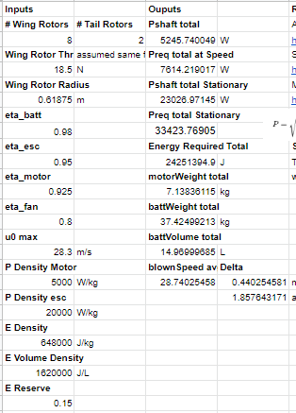
u0 max |  | battVolume total
28.3 | m/s | 14.9887427 | L
P Density Motor |  | blownSpeed avg | Delta
5000 | W/kg | 31.51468159 | 3.21468159 | m/s
P Density esc |  |  | 1.8576431711 | at max power and speed
20000 | W/kg
E Density
648000 | J/kg
E Volume Density
1620000 | J/L
E Reserve
0.15

